Data
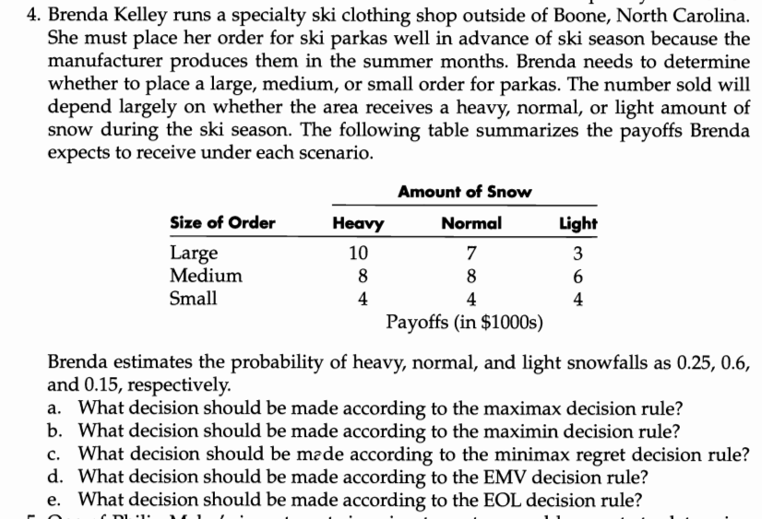
 | Payoff (in 1000s)
 | Amount of Snow
Size of Order | Heavy | Normal | light
large | 10 | 7 | 3
medium | 8 | 8 | 6
small | 4 | 4 | 4

prob | 0.25 | 0.6 | 0.15

